22_Promotion
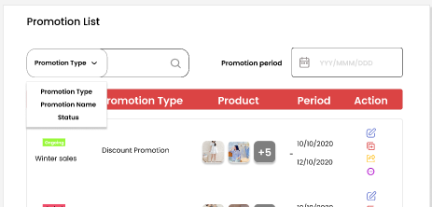
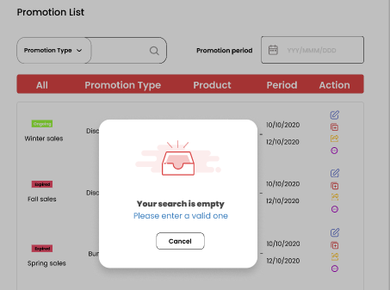
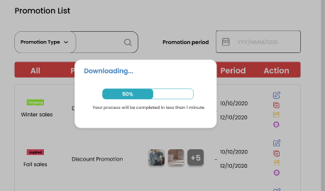
Project: |  | Version | 0.1 | Sprint | 2
Team: |  | Reviewed by
Document: | Principles | Approved by
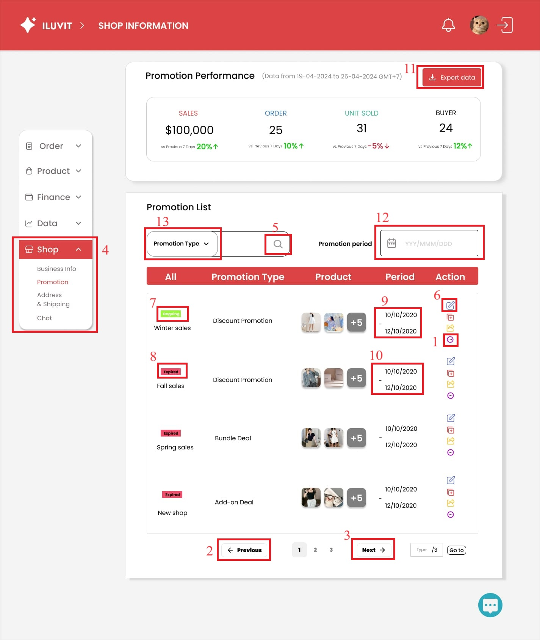
 |  |  |  |  |  | Principle | Number | Explanation
 |  |  |  |  |  | 1. Predictability | 1,2 3 | Users can guess the functions of the buttons, such as the "more" button used to reveal more options, "next" and "previous" buttons will respectively open the next and previous pages.
 |  |  |  |  |  | 2. Simplicity | 4 | The design has simplified the interface by classifying and grouping options into categories : - When users click "Shop", sub-categories will appear: "Promotion", "Chat", "Address & Shipping" - Within each of these sub-categories, they will find smaller sections: "Promotion Performance" and "Promotion List"
 |  |  |  |  |  | 3. Familiarity | 5.6 | The design uses the magnifying glass icon (5) signifies the search function for users to search for promotions and icon (6) to edit selected promotion
 |  |  |  |  |  | 4. Consistency | 7,8,9,10 | Consistency used in the rules page: - green: ongoing promotions (7) - red: expired promotions (8) Also, the name of each promotion is placed below, with the corresponding type and duration to the right (9,10).
 |  |  |  |  |  | 5. Recoverability |  | When the user does not enter anything but presses search, the error "Your search is empty" will appear with two solution options: "Please enter a valid one" and "Cancel"
 |  |  |  |  |  | 6. Observability | 11 | When pressing "Export data" to download data, a progress bar is displayed
 |  |  |  |  |  | 7. Substitutivity | 12 | Users have the option to either input dates manually or use the calendar icon to specify dates
 |  |  |  |  |  | 8. Responsiveness | 13 | When you hover over the down arrow in "Promotion Type", a drop-down will appear

26_Chat Management
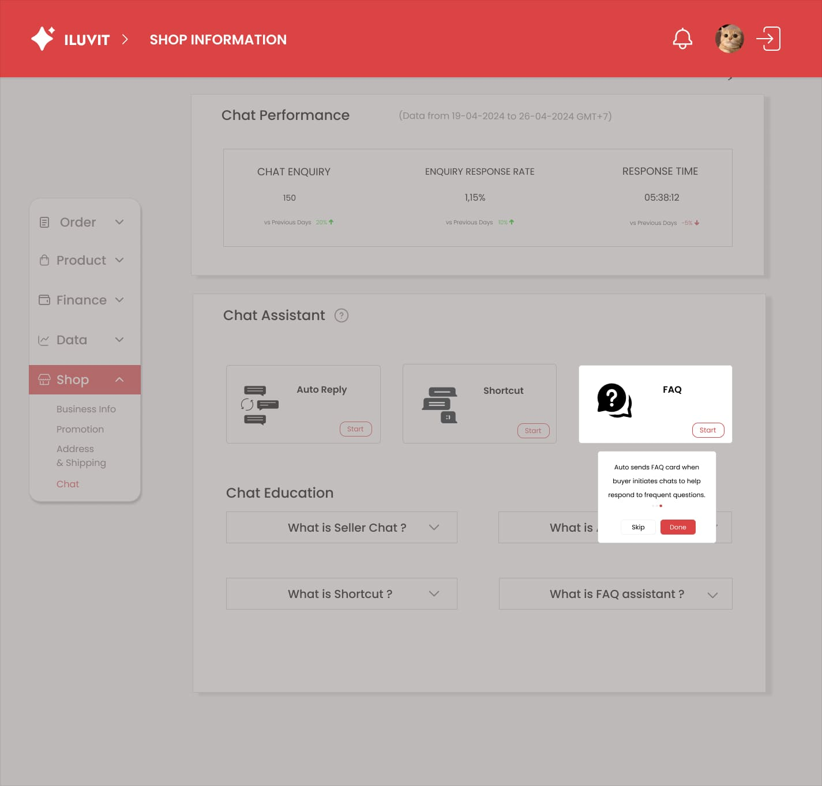
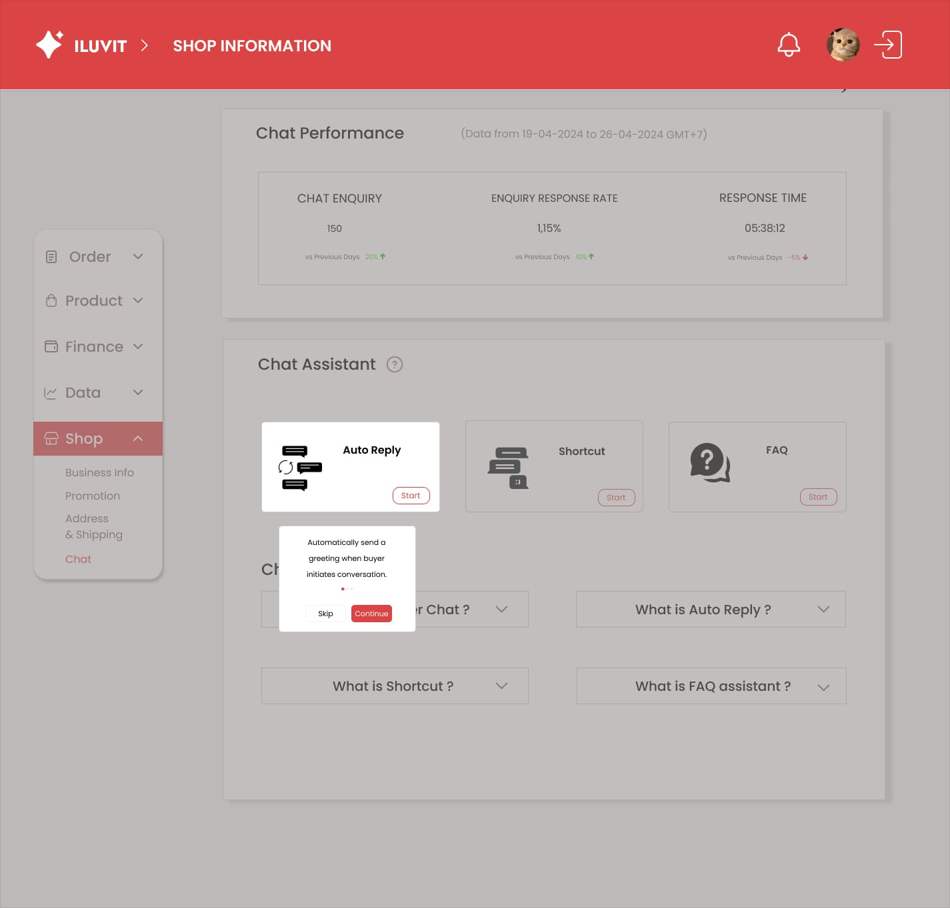
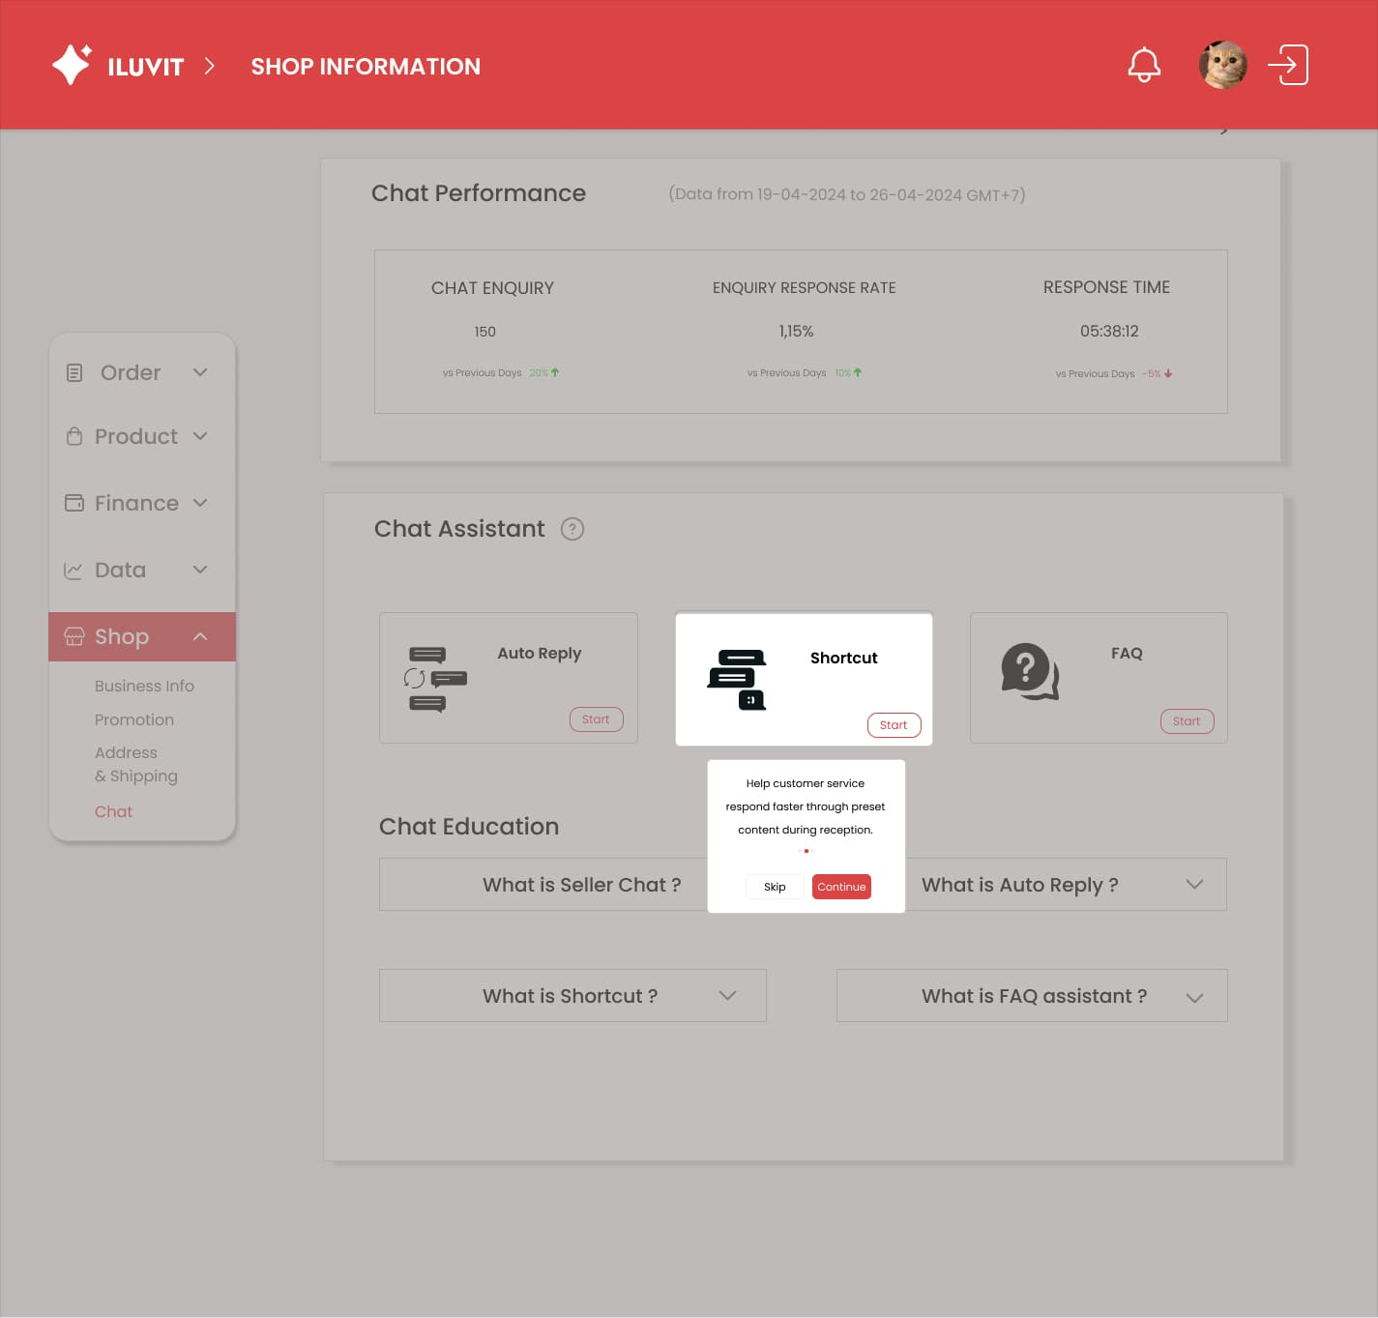
Project: |  | Version | 0.1 | Sprint | 2
Team: |  | Reviewed by
Document: | Principles | Approved by

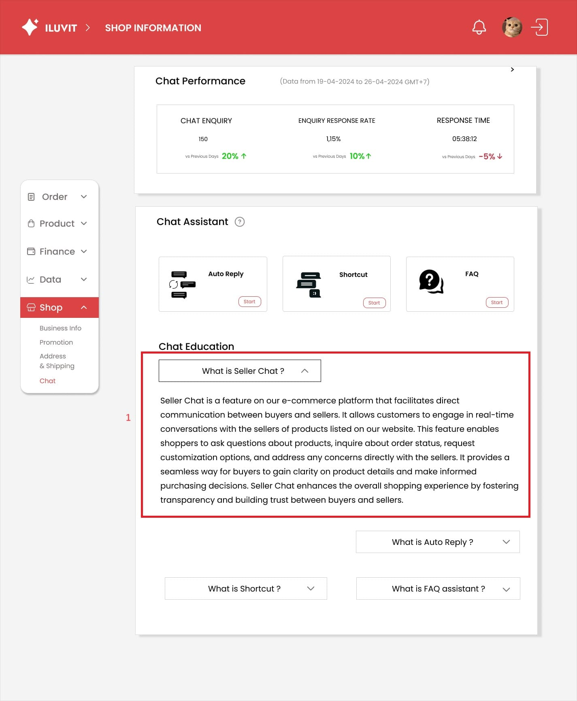
 |  |  |  |  |  | Principle | Number | Explanation
 |  |  |  |  |  | 1. Simplicity | 1 | The design has simplified the interface by the dropdown, when seller clicks on the dropdown, the system will display text, when they click on one more time, the system will hide text
 |  |  |  |  |  | 2. Dialog Initiative |  | When the user clicks on the "?" sign, an instruction panel on how to use the chat assistant will appear. Seller can click on Skip or Continue to navigate back or forward

28_Manage Orders
Project: |  | Version | 0.1 | Sprint | 2
Team: |  | Reviewed by
Document: | Principles | Approved by

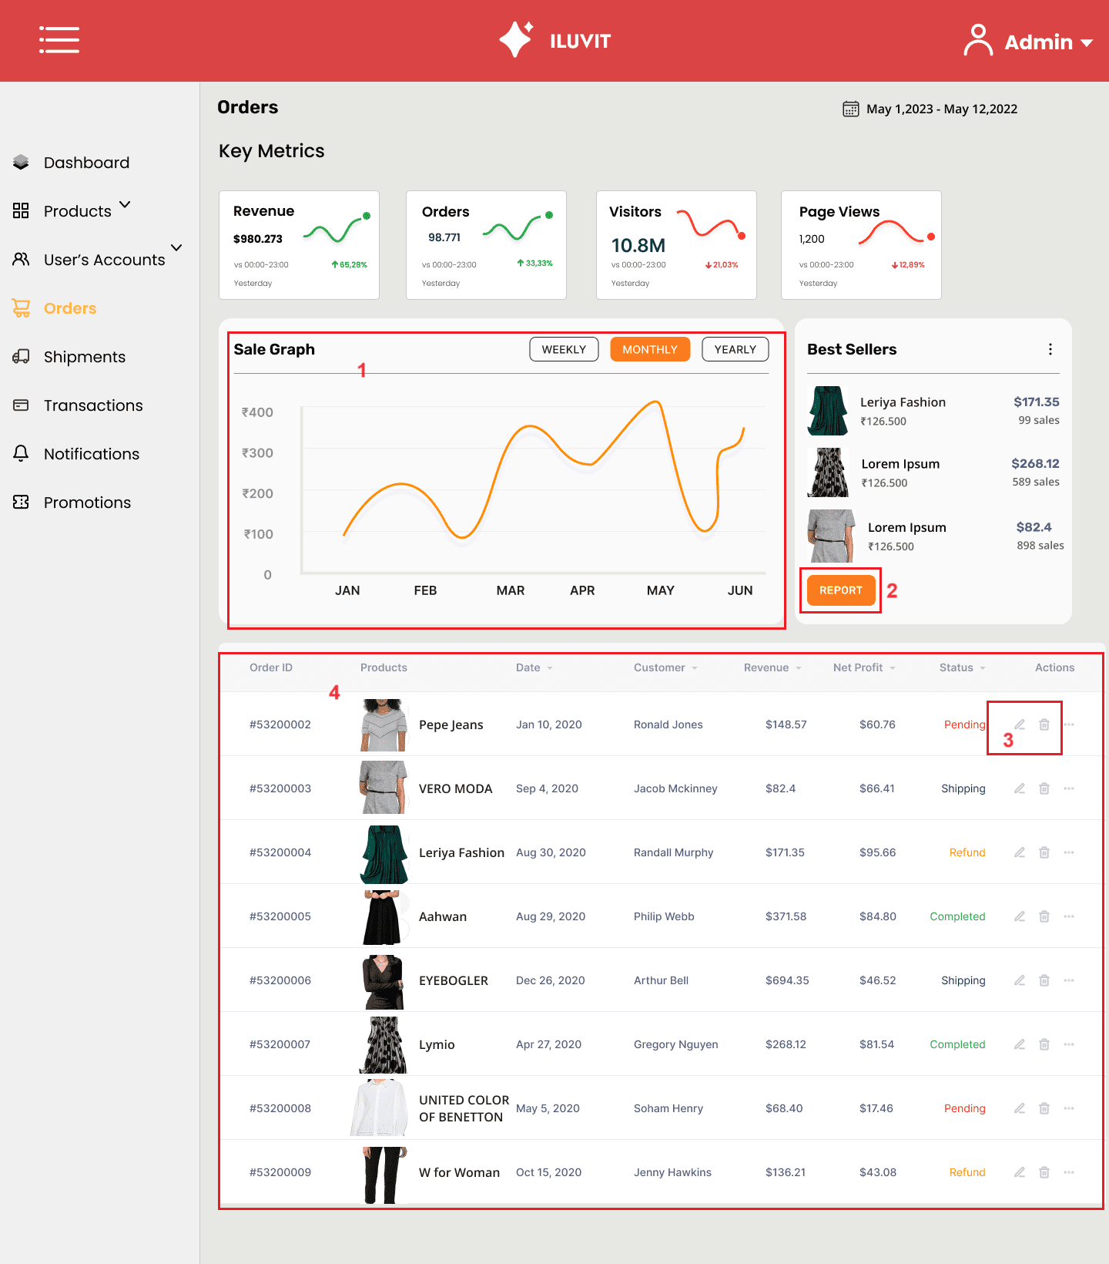
 |  |  |  |  |  | Principle | Number | Explanation
 |  |  |  |  |  | 1. Customisability | 1 | Allows users to choose how the chart is displayed by month, week, or year.
 |  |  |  |  |  | 2. Predictability | 2 | The "Report" button is expected to access a report about the products.
 |  |  |  |  |  | 3. Familiarity | 3 | The interface uses a pen icon for editing and a trash icon for deletion.
 |  |  |  |  |  | 4. Consistency | 4 | The website maintains consistency by presenting order details in a uniform format. This format includes the order ID followed by an image of the product, its name, date, revenue, profit, and order status.

8_Notifications
Project: |  | Version | 0.1 | Sprint | 2
Team: |  | Reviewed by
Document: | Principles | Approved by

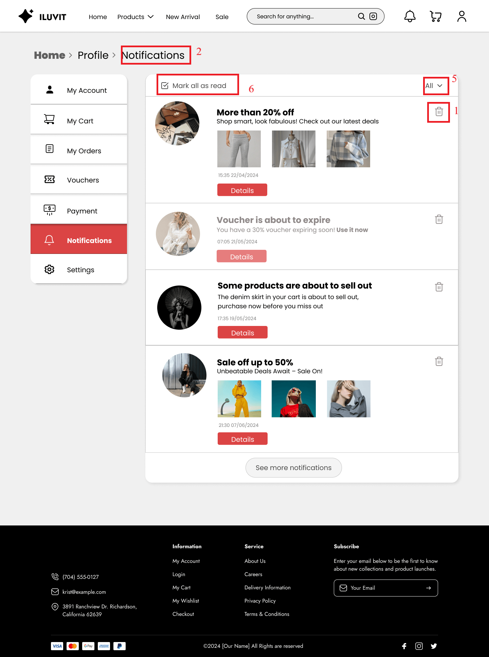
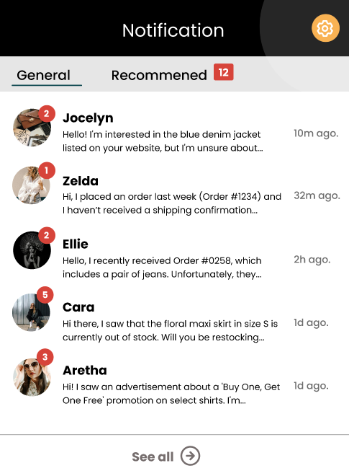
 |  |  |  |  |  |  |  | Principle | Number | Explanation
 |  |  |  |  |  |  | 3 | 1. Predictability | 1 | Users can easily find the trash icon (1) to delete notifications and click "See more notifications" if they want to see more notifications.
 |  |  |  |  |  |  |  | 2. Consistency | 2.3 | Notifications are designed with the main title above and a short description below used consistently in the Notifications Page (2) and pop-up Notifications List on the Home Page(3).
 |  |  |  |  |  | 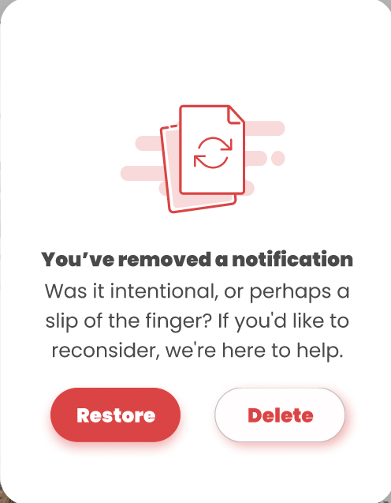 | 4 | 3. Dialog Initiative | 4 | When the user clicks on the trash icon, the system shows up and asks if the user wants to delete the notification and gives the user two options "Restore" or "Delete" (4)
 |  |  |  |  |  |  |  | 4. Customisability | 5 | When the user presses "All", a dropdown appears allowing the user to choose how to arrange the notifications as they wish.
 |  |  |  |  |  |  |  | 5. Responsiveness | 6 | When the user presses "Mark all as read"(6), unread bold notifications will no longer be available

41_Manage Shipment Detail
Project: |  | Version | 0.1 | Sprint | 2
Team: |  | Reviewed by
Document: | Principles | Approved by

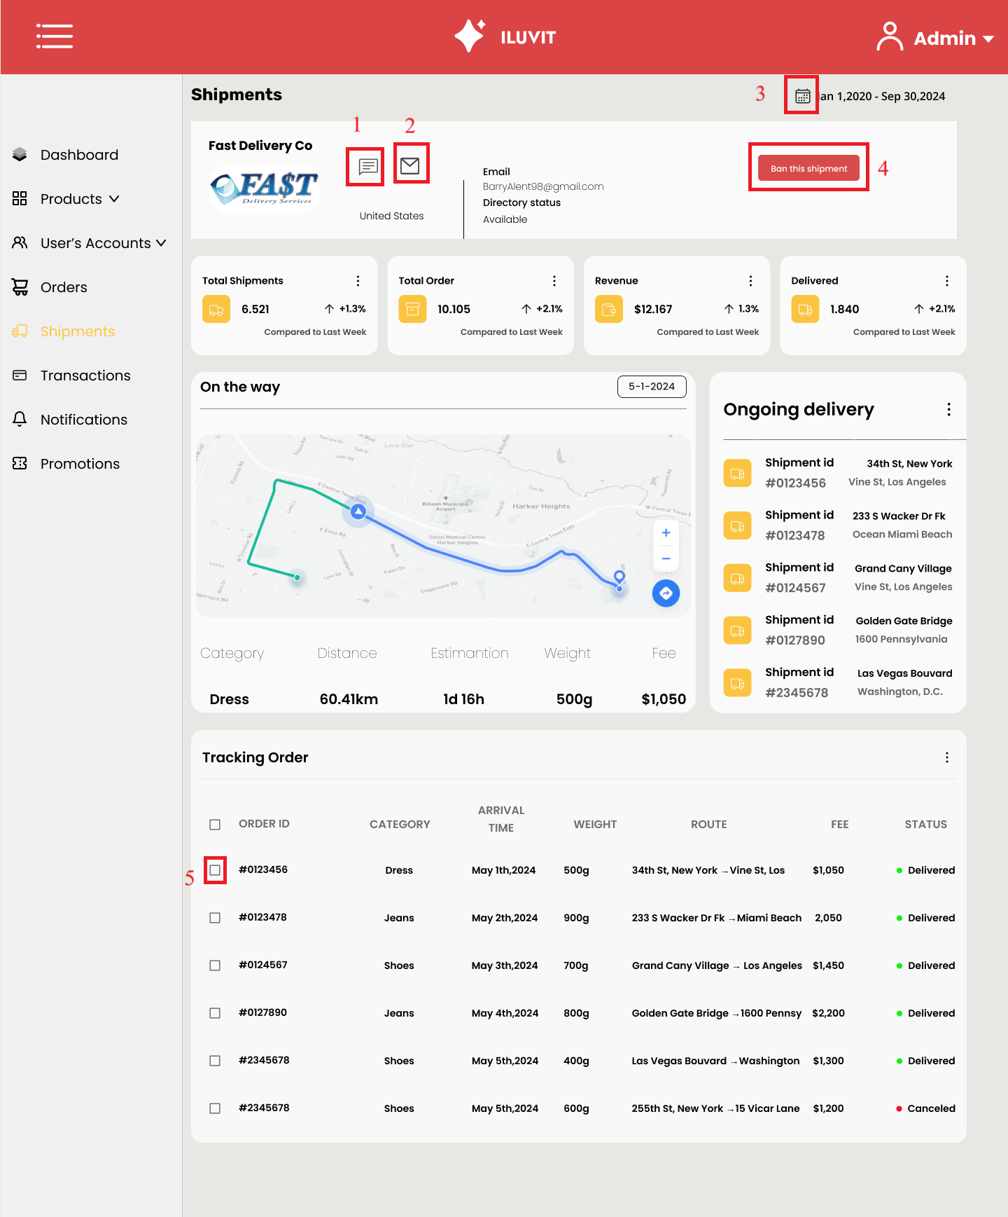
 |  |  |  |  |  | Principle | Number | Explanation
 |  |  |  |  |  | 1. Familiarity | 1, 2 , 3 | The design uses icon (1) to indicate chat, (2) to indicate email, and (3) to indicate calendar
 |  |  |  |  |  | 2. Predictability | 4 | When Admin sees the "Ban this shipment" button, he will guess that the function of that button is to ban this shipping unit from shipping orders on his website.
 |  |  |  |  |  | 3. Responsiveness | 5 | When the user clicks on the square at the beginning of each order, the selected display tick mark appears

42_Unban User
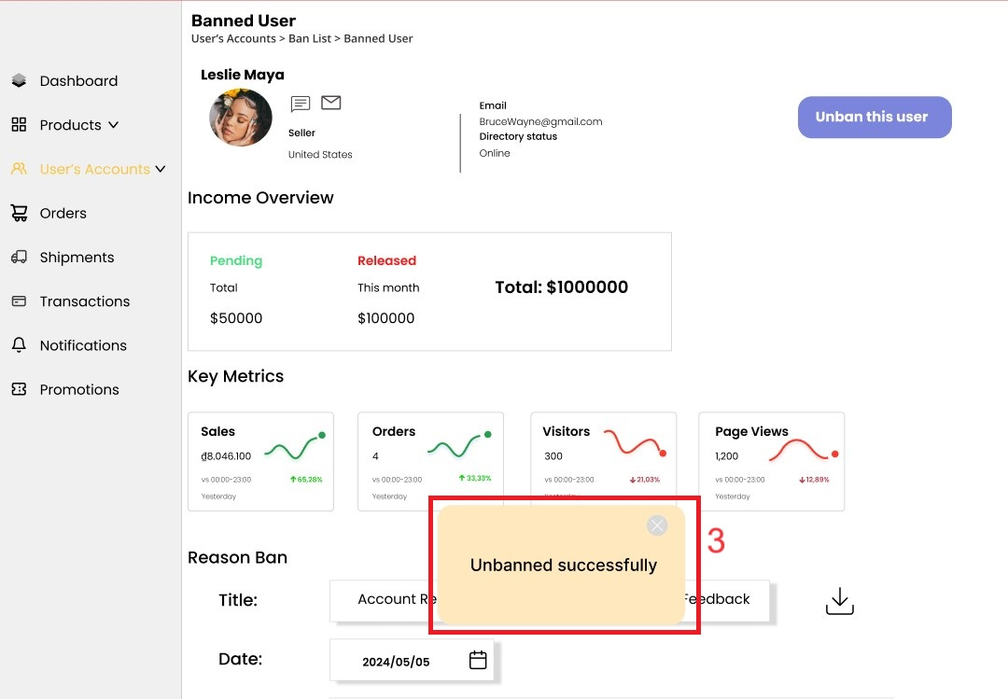
Project: |  | Version | 0.1 | Sprint | 2
Team: |  | Reviewed by
Document: | Principles | Approved by

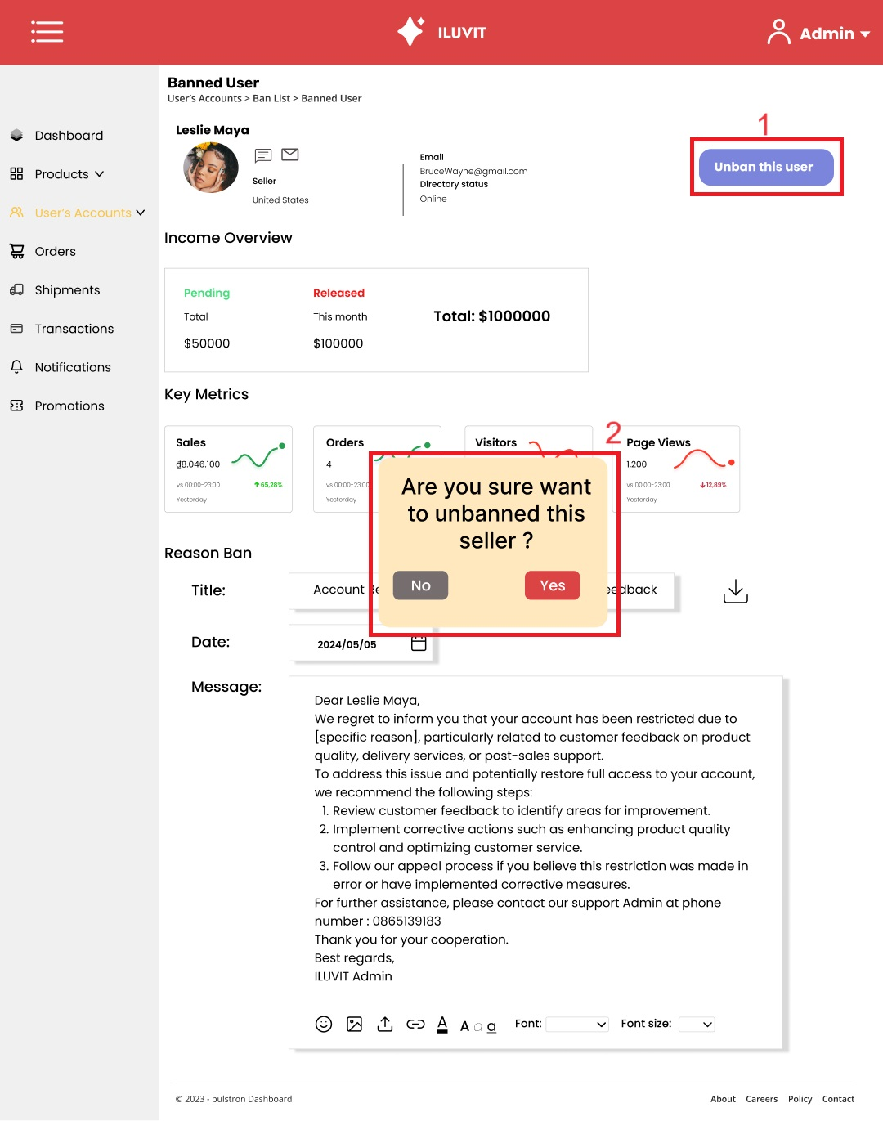
 |  |  |  |  |  | Principle | Number | Explanation
 |  |  |  |  |  | Predictability | 1 | When an administrator views a banned user account, the "Unban this user" button is immediately understood by the administrator as being used to unblock that user.
 |  |  |  |  |  | Dialog Initiative | 2 | When the admin presses unban, a dialog box appears for the admin to review the decision and his/her choice
 |  |  |  |  |  | Observability | 3 | Notification of successful unban is displayed

